Sheet1
Kaiyin: Add this code to your humidity sensor
Use lots of comments, can cut & paste ALL the text from this spreadsheet.
Use the same variable names as I have here.
Test the routine here:
 | http://www.sugartech.co.za/psychro/

Equation 1: Calculate Dew point from Temperature, humidity and atmospheric pressure
 | Variables:
 | Temperature = Temperature of the gas
 | Humidity = Humidity of the gas, in percent
 | Atmosphere = Atmospheric pressure, [Hpa] 1013hPa at sea level
 | Td = Dewpoint temperature
 | Td= 243.04*(LN(humidity/100)+((17.625*temperature)/(243.04+temperature)))/(17.625-LN(humidity/100)-((17.625*temperature)/(243.04+temperature)))
 | Temperature | Humidity | Atmospheric | Dew Point |  | Enthalpy
 |  |  | Pressure
 |  |  | Ptotal
 | DryBulb [C] | [%] | Hpa | DegC |  | [kJ/kG]
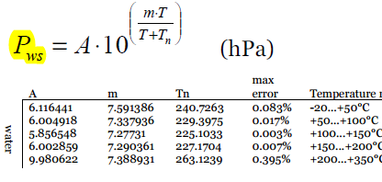
 | 20 | 30 | 1013 | 1.89 |  | 31.20

 |  |  |  |  |  | 7.4
 |  |  |  |  |  | 0.23719005357
Equation2: Calculate Water Vapor Saturation Pressure from the dew point temperature
 | Variables:
 | Pws = Partial Pressure of water at saturation at given temperature, [hPa]
 | Td = Dewpoint temperature
 | A, m, Tn = curve fitting constants
 | Pws=A*POWER(10,(m*TDewpoint)/(TDewpoint+Tn))
 | Saturation | Dew Point
 | Pressure
 | Pws [hPa] | Td [C] | A | m | Tn
 | 7.01 | 1.89 | 6.116441 | 7.591386 | 240.7263

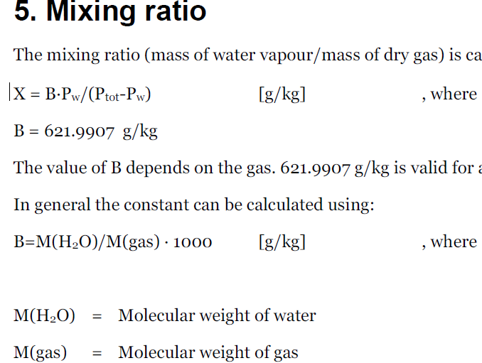

Equation3: Calculate the mixing ratio, mass of water to mass of air
 | Variables
 | X=Mixing Ratio, the mass of water over the mass of dry gas, [g/kg]
 | B = Molecular mass of water over the molecular weight of gas x 1000 , 621.9907 for air [k/kg]
 | Pws = Partial pressure of water at saturation
 | Patm = Atmospheric pressure, [hPa]
 | X=B*Pws/(Patm-Pws)
 | Mixing Ratio | Mass of | Atmospheric | Partial Press
 |  | water/air | Pressure | of water | The mixing ratio is the mass of water vapor divided by the mass of dry air
 | X | B | Ptotal | Pw=Pws
 |  |  | =Patm
 | [g/kg] | [g/kg] | [hPa] | [hPa] | Ptotal=1013 hPa at 1 atmosphere
 | 4.33 | 621.9907 | 1013.00 | 7.01

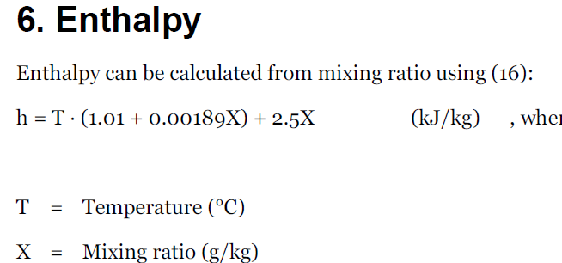
Equation4: Calculate the enthalpy
 | Variables
 | h = Enthalpy of the air, [kJ/kg]
 | T = temperautre of the air
 | X = mixing ratio of the air
 | h=temperature*(1.01+(0.00189*X))+2.5*X
 | Enthalpy |  | Mixing Ratio
 |  | Temperature
 | h |  | X
 | [kJ/kg] | T [C] | [g/kg]
 | 31.20 | 20 | 4.33

 | Notes:
 | TBD: Below zero degrees, use different formula for dewpoint
 | TBD: add US Imperial units
 |  | Si versus Enthalpy at 'Zero'
 |  | In DegC, it is 0 kJ / kG at 0C
 |  | In DegF, it is 0 Btu / lbm at 0F
 | TBD: Compensation for altitude
 | Check java script code, maybe something useful there

